Front
NCP3296 Design Aid 40A Stackable Integrated Buck Converter

Rev. 1

 | Calculated Value
 | User Input Value |  |  | Error (Outside Limits)

Design Tartget Information

 |  | Item | Value |  | Unit
 |  | VIN | 12 |  | V | Input Voltage
 |  | ΔVIN_RIPPLE | 240 |  | mVpp | VIN Ripple
 |  | ΔVIN_AC | ± | 360 | mV | VIN Transient Overshoot and Undershoot (includes ripple)
 |  | VOUT | 1.2 |  | V | Nominal Output Voltage
 |  | ILOAD_MAX | 30 |  | A | Maximum Output Current
 |  | ILOAD_STEP | 15 |  | A | Maximum Load Step Current
 |  | SLOAD_STEP | 5 |  | A/us | Load Step Slope (di/dt)
 |  | ΔVOUT_RIPPLE | 1 |  | % VOUT | VOUT Ripple, peak-peak
 |  | ΔVOUT_AC | ± | 5 | % VOUT | VOUT Transient Specification (includes ripple)
 |  | ƞ | 91 |  | % | Enter estimated Efficiency from datasheet curve for usage case

Operation Mode & Parameters

 |  | Item | Value |  | Unit
 |  |  | Recommended | Actual
 |  | Phases | 1 | One_Phase | 1
 |  | Fsw | 500 |  | kHz | Switching Frequency, per phase
 |  | RSYNC/FSET | 33.2 |  | kΩ | Resistor at SYNC/FSET Pin

 |  | VOUT Scale | 1 | One | 1
 |  | Soft-Start Time | 3 |  | ms | Desired Soft-Start Time
 |  | RSS/MODE1 | 15 | 15 | kΩ | Resistor at SS/MODE1 Pin

 |  | Protection Mode | - | Hiccup | - | Selected Protection Mode (Latch Off or Hiccup)
 |  | RMODE2/SFAULT | 10 |  | kΩ | Resistor at MODE2/SFAULT Pin

 |  | IVLY | 29.5 | 32 | A/phase | Desired Valley Current Limit Threshold
 |  | RIMON/ILIM | 56.2 |  | kΩ | Resistor at IMON/ILIM Pin

 |  | RVSET/FAULT | 182 |  | kΩ | Resistor at VSET/FAULT Pin

Input Voltage UVLO & Enable

 |  | Vin UVLO | No |  |  | Vin UVLO Function Set at EN Pin ?

 |  | Item | Value |  | Unit
 |  |  | Expected | Actual
 |  | VIN_L | NA |  | V | Falling Threshold of Vin UVLO
 |  | VIN_H | NA |  |  | Rising Threshold of Vin UVLO
 |  | VIN_HYS |  |  |  | Hysteresis of Vin UVLO
 |  | R1 |  | NA | kΩ
 |  | R2 |  | NA

 |  | VEN_L | 0.99 | 0.992 | V | Falling Threshold of ENABLE
 |  | VEN_H | 1.20 | 1.20 |  | Rising Threshold of ENABLE
 |  | VEN_HYS | 0.21 | 0.21 |  | Hysteresis of ENABLE
 |  | REN | 0.00 | 0.00 | kΩ

Input Current & C-Filter

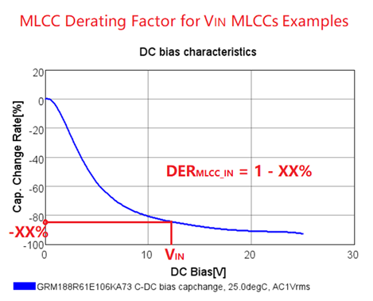
 |  | Item | Value |  | Unit
 |  |  | Expected | Actual
 | MLCC Cap | CMLCC | 38.3 | 31.68 | uF | Minimum Effective Capacitance - DC voltage derating applied from manufacturer datasheet
 |  | ESRMLCC | 2.7 | 0.38 | mΩ
 |  | ESLMLCC | - | 0.13 | nH
 |  | Number of CMLCC | - | 8 | pcs | Number of parallel MLCC Caps Per-Phase (please enter >1)
 |  | C | - | 22 | uF/pcs | Rated Capacitance of Single MLCC Cap
 |  | DERMLCC_IN | - | 0.18 |  | MLCC Derating Factor@VIN: Enter DC voltage derating per manufacturer datasheet
 |  | ESR | - | 3 | mΩ/pcs | ESR of Single MLCC Cap
 |  | ESL | - | 1 | nH/pcs | ESL of Single MLCC Cap
 |  | ΔVIN_RIPPLE | 240 | 213 | mVpp | Input Ripple Voltage, peak-to-peak
 | Input ESL | VIN_ESL | 100 | 20 | nH | Series L between Input Source and Input Capacitors
 | SP/Bulk Cap | CBULK | 11 | 22 | uF | Minimum Capacitance of Single SP/Bulk Cap (enter 0 if not used)
 |  | ESRBULK | 48.5 | 12 | mΩ | Maximum ESR of Single SP/Bulk Cap
 |  | ESLBULK | - | 1 | nH | ESL of Single SP/Bulk Cap
 |  | ΔVIN_TRANSIENT | 360 | 176 | mVpk | Input Transient Voltage
 |  | IRMS | - | 5.2 | A | Minimum SP/Bulk Cap RMS ripple current rating

Output Current & LC-Filter

 |  | Item | Value |  | Unit
 |  |  | Recommended | Actual
 |  | IL_PP | 7.50 | 10.11 | A | Inductor Peak-to-Peak Ripple Current
 |  | L | 0.29 | 0.22 | uH | Inductance of Inductor
 |  | DCR | - | 0.30 | mΩ | DCR of Inductor

 |  | ILIM | 34.6 | 37.1 | A | Output DC Current Limit

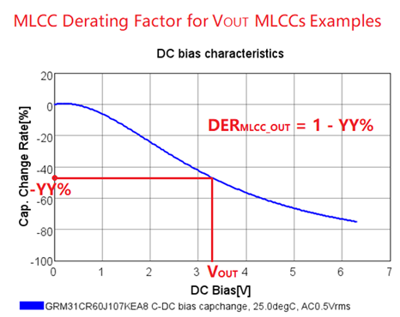
 |  | CTotal | 691 | 763.3 | uF | Minimum Effective Total Filter Capacitance
 |  | ESR | 0.40 | 0.24 | mΩ | Maximum Effective Total Filter ESR
 |  | ESL | 0.07 | 0.077 | nH | Maximum Effective Total Filter ESL
 | SP/Bulk Cap | CBULK | - | 470 | uF
 |  | Number | - | 1 | pcs | Total Number of Parallel SP/Bulk Caps
 |  | C | - | 470 | uF/pcs | Capacitance of Single SP/Bulk Cap
 |  | ESR | - | 6 | mΩ/pcs | ESR of Single SP/Bulk Cap
 |  | ESL | - | 1 | nH/pcs | ESL of Single SP/Bulk Cap
 | MLCC Cap | CMLCC | - | 293.3 | uF | Effective Capacitance - DC voltage derating applied from manufacturer datasheet
 |  | Number | - | 12 | pcs | Total Number of Parallel MLCC Caps (enter >1)
 |  | C | - | 47 | uF/pcs | Capacitance of Single MLCC Cap
 |  | DERMLCC_OUT | - | 0.52 |  | MLCC Derating Factor@VOUT: Enter DC voltage derating per manufacturer datasheet
 |  | ESR | - | 3 | mΩ/pcs | ESR of Single MLCC Cap
 |  | ESL | - | 1 | nH/pcs | ESL of Single MLCC Cap
 |  | ΔVOUT_RIPPLE | 12 | 8.6 | mVpp | Output Ripple Voltage, peak-to-peak
 |  | ΔVOUT_TRANSIENT | 60 | 51.4 | mVpk | Output Transient Voltage Under/Overshoot including ripple (approximation)
 |  |  |  |  |  | Please refer to Simplis tool for more refined results.
Compensation & Bode Plot

 |  | Output Voltage
 |  | Item | Value |  | Unit
 |  |  | Expected | Actual
 |  | Vo | 1.200 | 1.200 | V
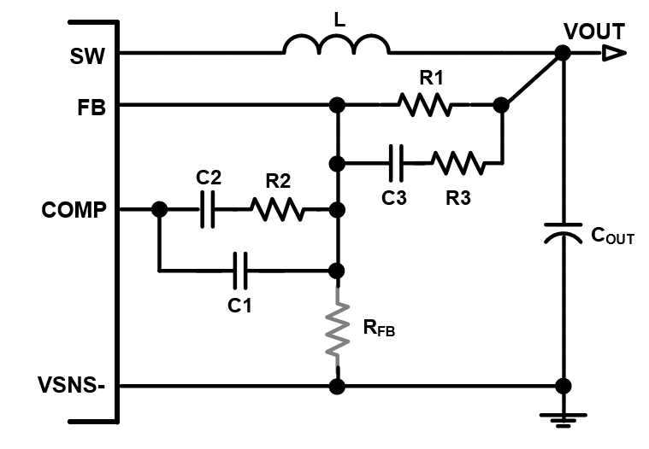
 |  | Close-Loop Bandwidth & Phase Margin
 |  | Item | Target | Actual | Unit
 |  | Fcross (0dB) | 83 | 83 | kHz
 |  | PM | 65 | 77 | degree

 |  | Vout Sense & Compensation Network
 |  | Item | Value |  | Unit
 |  |  | Recommended | Actual
 |  | R1 | 10.00 | 10.00 | kΩ
 |  | RFB | open | NA
 |  | R2 | 27.46 | 22.00
 |  | R3 | 0.18 | 0
 |  | C3 | 416 | 390.0 | pF
 |  | C2 | 179 | 100.0
 |  | C1 | 32 | 10.0

Bode Plot
 | Gain_Actual (dB) | Gain_Recommended (dB) | Phase_Actual (deg) | Phase_Recommended (deg)
10 | 90.3 | 84.7 | 89.949426495 | 89.958120221
50 | 76.3 | 70.7 | 89.746535289 | 89.790107039
100 | 70.3 | 64.7 | 89.494291482 | 89.581227969
110 | 69.5 | 63.9 | 89.44550758 | 89.540831369
120 | 68.7 | 63.1 | 89.392018986 | 89.496539215
132 | 67.9 | 62.3 | 89.333372402 | 89.447976253
145 | 67.1 | 61.5 | 89.269070988 | 89.394731215
158 | 66.3 | 60.7 | 89.198570221 | 89.336353397
174 | 65.5 | 59.9 | 89.121273376 | 89.272348936
191 | 64.7 | 59.1 | 89.036526597 | 89.202176747
209 | 63.9 | 58.3 | 88.943613522 | 89.125244101
229 | 63.1 | 57.5 | 88.841749434 | 89.040901825
251 | 62.3 | 56.7 | 88.730074913 | 88.948439087
275 | 61.5 | 55.9 | 88.607648944 | 88.847077756
302 | 60.7 | 55.1 | 88.473441464 | 88.73596632
331 | 59.9 | 54.3 | 88.326325323 | 88.614173337
363 | 59.1 | 53.5 | 88.165067641 | 88.480680429
398 | 58.3 | 52.7 | 87.988320567 | 88.334374824
437 | 57.5 | 51.9 | 87.794611437 | 88.174041466
479 | 56.7 | 51.1 | 87.582332388 | 87.998354748
525 | 55.9 | 50.3 | 87.349729477 | 87.805869951
575 | 55.1 | 49.5 | 87.094891441 | 87.595014516
631 | 54.3 | 48.7 | 86.815738244 | 87.364079325
692 | 53.5 | 47.9 | 86.510009692 | 87.111210278
759 | 52.7 | 47.1 | 86.175254447 | 86.834400505
832 | 51.9 | 46.3 | 85.808819952 | 86.53148374
912 | 51.1 | 45.5 | 85.407843921 | 86.200129505
1000 | 50.3 | 44.7 | 84.969248301 | 85.837841027
1096 | 49.5 | 43.8 | 84.489736876 | 85.441957026
1202 | 48.7 | 43.0 | 83.96579806 | 85.009658919
1318 | 47.8 | 42.2 | 83.393714837 | 84.537985354
1445 | 47.0 | 41.4 | 82.769584363 | 84.023856526
1585 | 46.2 | 40.6 | 82.089350325 | 83.464111292
1738 | 45.4 | 39.8 | 81.348851852 | 82.855560752
1905 | 44.6 | 38.9 | 80.543893508 | 82.195062629
2089 | 43.7 | 38.1 | 79.670341565 | 81.47962144
2291 | 42.9 | 37.3 | 78.724252355 | 80.706519871
2512 | 42.0 | 36.4 | 77.702038699 | 79.873486935
2754 | 41.2 | 35.6 | 76.600680109 | 78.978908
3020 | 40.3 | 34.7 | 75.417981211 | 78.022080301
3311 | 39.4 | 33.8 | 74.152880257 | 77.003514804
3631 | 38.5 | 32.9 | 72.805805346 | 75.92528064
3981 | 37.6 | 32.0 | 71.379069585 | 74.791381594
4365 | 36.6 | 31.1 | 69.87728798 | 73.608145233
4786 | 35.7 | 30.2 | 68.307788753 | 72.384594541
5248 | 34.7 | 29.2 | 66.680981236 | 71.132760761
5754 | 33.7 | 28.2 | 65.010633638 | 69.867886538
6310 | 32.7 | 27.2 | 63.314009673 | 68.608463358
6918 | 31.6 | 26.2 | 61.611816321 | 67.376049822
7586 | 30.5 | 25.1 | 59.927928077 | 66.194829814
...

Disclaimer
This spreadsheet is a general tool being provided to assist power system designers.
The output of this tool is to be used as a guideline and does not provide/ensure any measure of the success of a particular system design.
Copyright © 2022, Semiconductor Component Industries, LLC.

